holes2x2
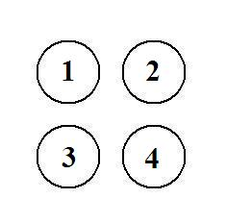
2014-04-07 | x | y
1 | 0 | 1
2 | 1 | 1
3 | 0 | 0
4 | 1 | 0

C = | 1 | 2 | 3 | 4
1 | -1 | 1 | 1 | 1.4142135624
2 | 1 | -1 | 1.4142135624 | 1
3 | 1 | 1.4142135624 | -1 | 1
4 | 1.4142135624 | 1 | 1 | -1

C = | -1 | 100 | 100 | 141 |  | 1-3 | 1-3-4-2-1
 | 100 | -1 | 141 | 100 |  | 2-1
 | 100 | 141 | -1 | 100 |  | 3-4 | Copy C to Notepad
 | 141 | 100 | 100 | -1 |  | 4-2 | Replace All 'tab' by 'space'

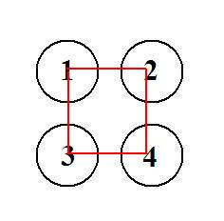
X = | 0 | 0 | 1 | 0 | z* = | 4
 | 1 | 0 | 0 | 0
 | 0 | 0 | 0 | 1
 | 0 | 1 | 0 | 0

holes3x3
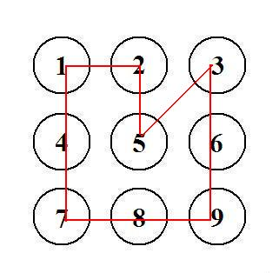
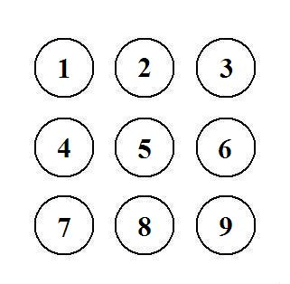
2014-04-07 | x | y
1 | 0 | 2
2 | 1 | 2
3 | 2 | 2
4 | 0 | 1
5 | 1 | 1
6 | 2 | 1
7 | 0 | 0
8 | 1 | 0
9 | 2 | 0

C = | 1 | 2 | 3 | 4 | 5 | 6 | 7 | 8 | 9
1 | -1 | 1 | 2 | 1 | 1.4142135624 | 2.2360679775 | 2 | 2.2360679775 | 2.8284271247
2 | 1 | -1 | 1 | 1.4142135624 | 1 | 1.4142135624 | 2.2360679775 | 2 | 2.2360679775
3 | 2 | 1 | -1 | 2.2360679775 | 1.4142135624 | 1 | 2.8284271247 | 2.2360679775 | 2
4 | 1 | 1.4142135624 | 2.2360679775 | -1 | 1 | 2 | 1 | 1.4142135624 | 2.2360679775
5 | 1.4142135624 | 1 | 1.4142135624 | 1 | -1 | 1 | 1.4142135624 | 1 | 1.4142135624
6 | 2.2360679775 | 1.4142135624 | 1 | 2 | 1 | -1 | 2.2360679775 | 1.4142135624 | 1
7 | 2 | 2.2360679775 | 2.8284271247 | 1 | 1.4142135624 | 2.2360679775 | -1 | 1 | 2
8 | 2.2360679775 | 2 | 2.2360679775 | 1.4142135624 | 1 | 1.4142135624 | 1 | -1 | 1
9 | 2.8284271247 | 2.2360679775 | 2 | 2.2360679775 | 1.4142135624 | 1 | 2 | 1 | -1

C = | -1 | 100 | 200 | 100 | 141 | 224 | 200 | 224 | 283
 | 100 | -1 | 100 | 141 | 100 | 141 | 224 | 200 | 224
 | 200 | 100 | -1 | 224 | 141 | 100 | 283 | 224 | 200
 | 100 | 141 | 224 | -1 | 100 | 200 | 100 | 141 | 224
 | 141 | 100 | 141 | 100 | -1 | 100 | 141 | 100 | 141
 | 224 | 141 | 100 | 200 | 100 | -1 | 224 | 141 | 100
 | 200 | 224 | 283 | 100 | 141 | 224 | -1 | 100 | 200
 | 224 | 200 | 224 | 141 | 100 | 141 | 100 | -1 | 100
 | 283 | 224 | 200 | 224 | 141 | 100 | 200 | 100 | -1

X = | 0 | 0 | 0 | 1 | 0 | 0 | 0 | 0 | 0 | 1-4 | 1-4-7-8-9-6-3-5-2-1
 | 1 | 0 | 0 | 0 | 0 | 0 | 0 | 0 | 0 | 2-1
 | 0 | 0 | 0 | 0 | 1 | 0 | 0 | 0 | 0 | 3-5 | z* = | 9.4142135624
 | 0 | 0 | 0 | 0 | 0 | 0 | 1 | 0 | 0 | 4-7
 | 0 | 1 | 0 | 0 | 0 | 0 | 0 | 0 | 0 | 5-2
 | 0 | 0 | 1 | 0 | 0 | 0 | 0 | 0 | 0 | 6-3
 | 0 | 0 | 0 | 0 | 0 | 0 | 0 | 1 | 0 | 7-8
 | 0 | 0 | 0 | 0 | 0 | 0 | 0 | 0 | 1 | 8-9
 | 0 | 0 | 0 | 0 | 0 | 1 | 0 | 0 | 0 | 9-6

holes3x3taxi
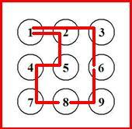
2014-04-07 | x | y
1 | 0 | 2
2 | 1 | 2
3 | 2 | 2
4 | 0 | 1
5 | 1 | 1
6 | 2 | 1
7 | 0 | 0
8 | 1 | 0
9 | 2 | 0

C = | 1 | 2 | 3 | 4 | 5 | 6 | 7 | 8 | 9
1 | -1 | 1 | 2 | 1 | 2 | 3 | 2 | 3 | 4
2 | 1 | -1 | 1 | 2 | 1 | 2 | 3 | 2 | 3
3 | 2 | 1 | -1 | 3 | 2 | 1 | 4 | 3 | 2
4 | 1 | 2 | 3 | -1 | 1 | 2 | 1 | 2 | 3
5 | 2 | 1 | 2 | 1 | -1 | 1 | 2 | 1 | 2
6 | 3 | 2 | 1 | 2 | 1 | -1 | 3 | 2 | 1
7 | 2 | 3 | 4 | 1 | 2 | 3 | -1 | 1 | 2
8 | 3 | 2 | 3 | 2 | 1 | 2 | 1 | -1 | 1
9 | 4 | 3 | 2 | 3 | 2 | 1 | 2 | 1 | -1

C = | -1 | 1 | 2 | 1 | 2 | 3 | 2 | 3 | 4
 | 1 | -1 | 1 | 2 | 1 | 2 | 3 | 2 | 3
 | 2 | 1 | -1 | 3 | 2 | 1 | 4 | 3 | 2
 | 1 | 2 | 3 | -1 | 1 | 2 | 1 | 2 | 3
 | 2 | 1 | 2 | 1 | -1 | 1 | 2 | 1 | 2
 | 3 | 2 | 1 | 2 | 1 | -1 | 3 | 2 | 1
 | 2 | 3 | 4 | 1 | 2 | 3 | -1 | 1 | 2
 | 3 | 2 | 3 | 2 | 1 | 2 | 1 | -1 | 1
 | 4 | 3 | 2 | 3 | 2 | 1 | 2 | 1 | -1

X = | 0 | 1 | 0 | 0 | 0 | 0 | 0 | 0 | 0 | 1-2 | 1 | 1-2-5-4-7-8-9-6-3-1
 | 0 | 0 | 0 | 0 | 1 | 0 | 0 | 0 | 0 | 2-5 | 1
 | 1 | 0 | 0 | 0 | 0 | 0 | 0 | 0 | 0 | 3-1 | 2 | z* = | 10
 | 0 | 0 | 0 | 0 | 0 | 0 | 1 | 0 | 0 | 4-7 | 1
 | 0 | 0 | 0 | 1 | 0 | 0 | 0 | 0 | 0 | 5-4 | 1
 | 0 | 0 | 1 | 0 | 0 | 0 | 0 | 0 | 0 | 6-3 | 1
 | 0 | 0 | 0 | 0 | 0 | 0 | 0 | 1 | 0 | 7-8 | 1
 | 0 | 0 | 0 | 0 | 0 | 0 | 0 | 0 | 1 | 8-9 | 1
 | 0 | 0 | 0 | 0 | 0 | 1 | 0 | 0 | 0 | 9-6 | 1

holes4x4-No
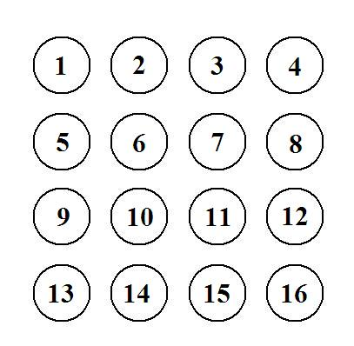
Would exceed Excel capacity (200 variables):
15^2 = | 225

