Graph
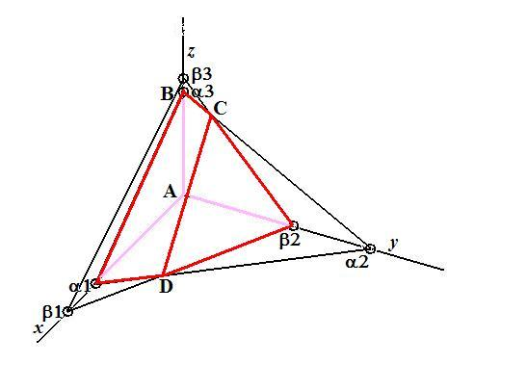

The objective function plane has not been drawn. It would touch the line CD.

